Sheet1
House Payment / Loan Calculator

 | case 1 | case 2 | compare
payment | $1,121.58 | $1,480.88 | $359.31 | s,
payments per year | 12 | 12
years | 15 | 15
principal | $170,000.00 | $170,000.00
interest rate | 0.0235 | 0.065

Total Payments | $201,883.86 | $266,558.85 | $64,675.00

Total Interest | $31,883.86 | $96,558.85 | $64,675.00

notes. input data in green cells. Interest rate entered as a decimal number. 8 percent is enterd as .08 Avoid amber cells containing formulas.

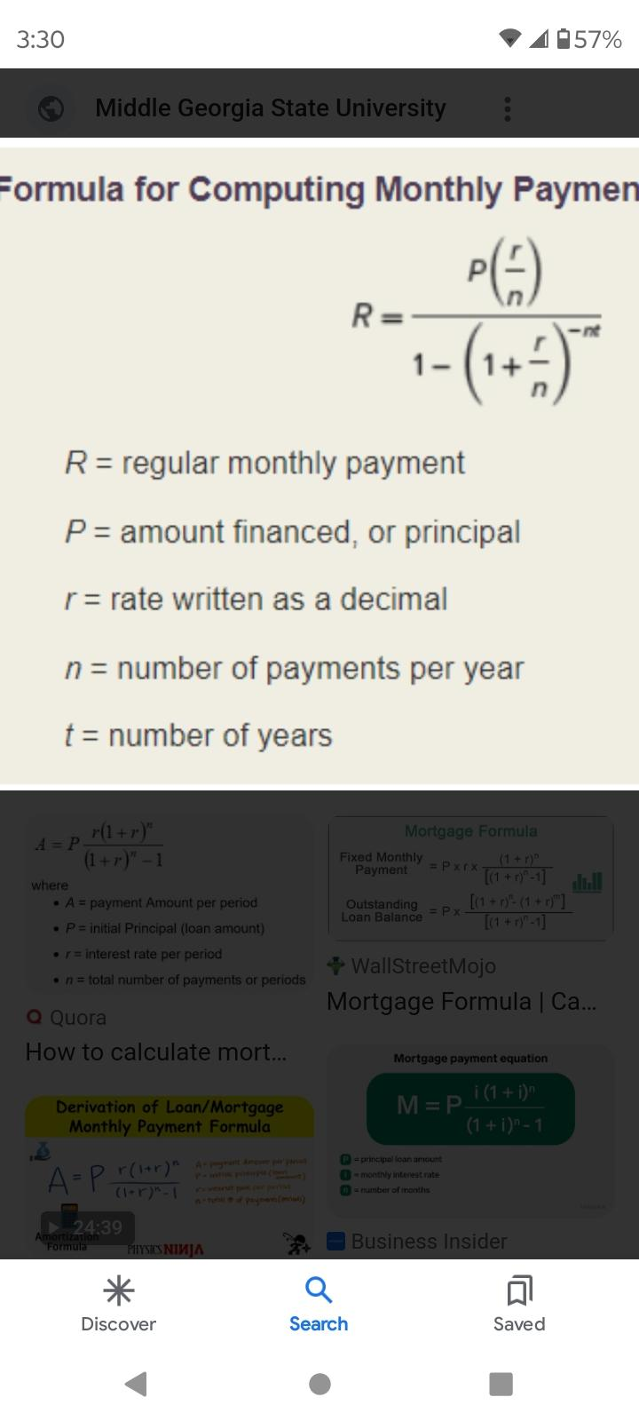
paymet
rate

