Sheet1
payment | 389.04259329 | R | s,
payments per year | 12 | N
years | 6 | T
pincupal | 21000 | P
rate | 0.1 | r

Total Payments | 28011.066717

Total Interest | 7011.066717

 | 389.04259329

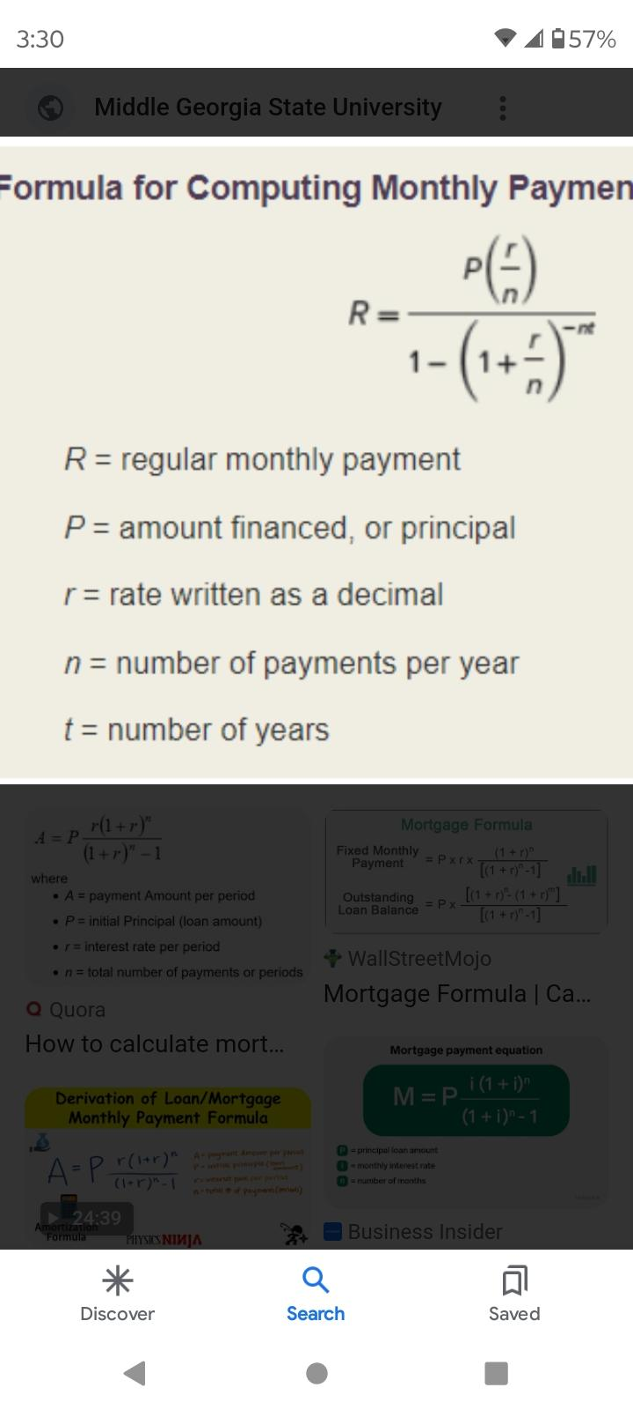
paymet
rate

