Sheet1
House Payment / Loan Calculator

 | case 1 | case 2 | compare
payment | $3,702.21 | $2,395.80 | -$1,306.41 | s,
payments per year | 12 | 12
years | 15 | 50
principal | $425,000.00 | $425,000.00
interest rate | 0.065 | 0.065
 |  | 0.065
Total Payments | $666,397.13 | $1,437,478.06 | $771,080.93

Total Interest | $241,397.13 | $1,012,478.06 | $771,080.93

notes. input data in green cells. Interest rate entered as a decimal number. 8 percent is enterd as .08 Avoid amber cells containing formulas.

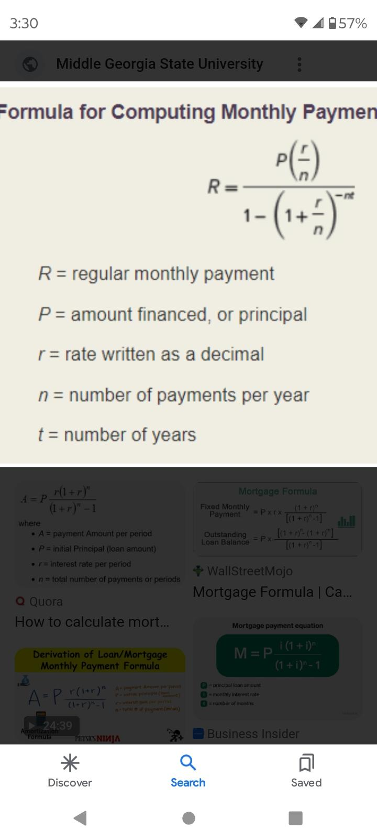
paymet
rate

